Sheet1
 |  |  |  |  | Deposit | -100000
loan | 60000 | 2900000 | 7000000 |  | Year1 | 6000
EMI | -2520 | -37437 | -69000 |  | Year2 | 6000
time | 48 | 120 | 180 |  | Year3 | 106000
 |  |  |  |  | IRR: | 6%
 | 3.33% | 0.79% | 0.71%
Rate | 39.925149287 | 9.4443570934 | 8.516624532

 |  |  |  |  |  |  |  |  |  | year1 | 100,000 |  | > 10% `+` per year

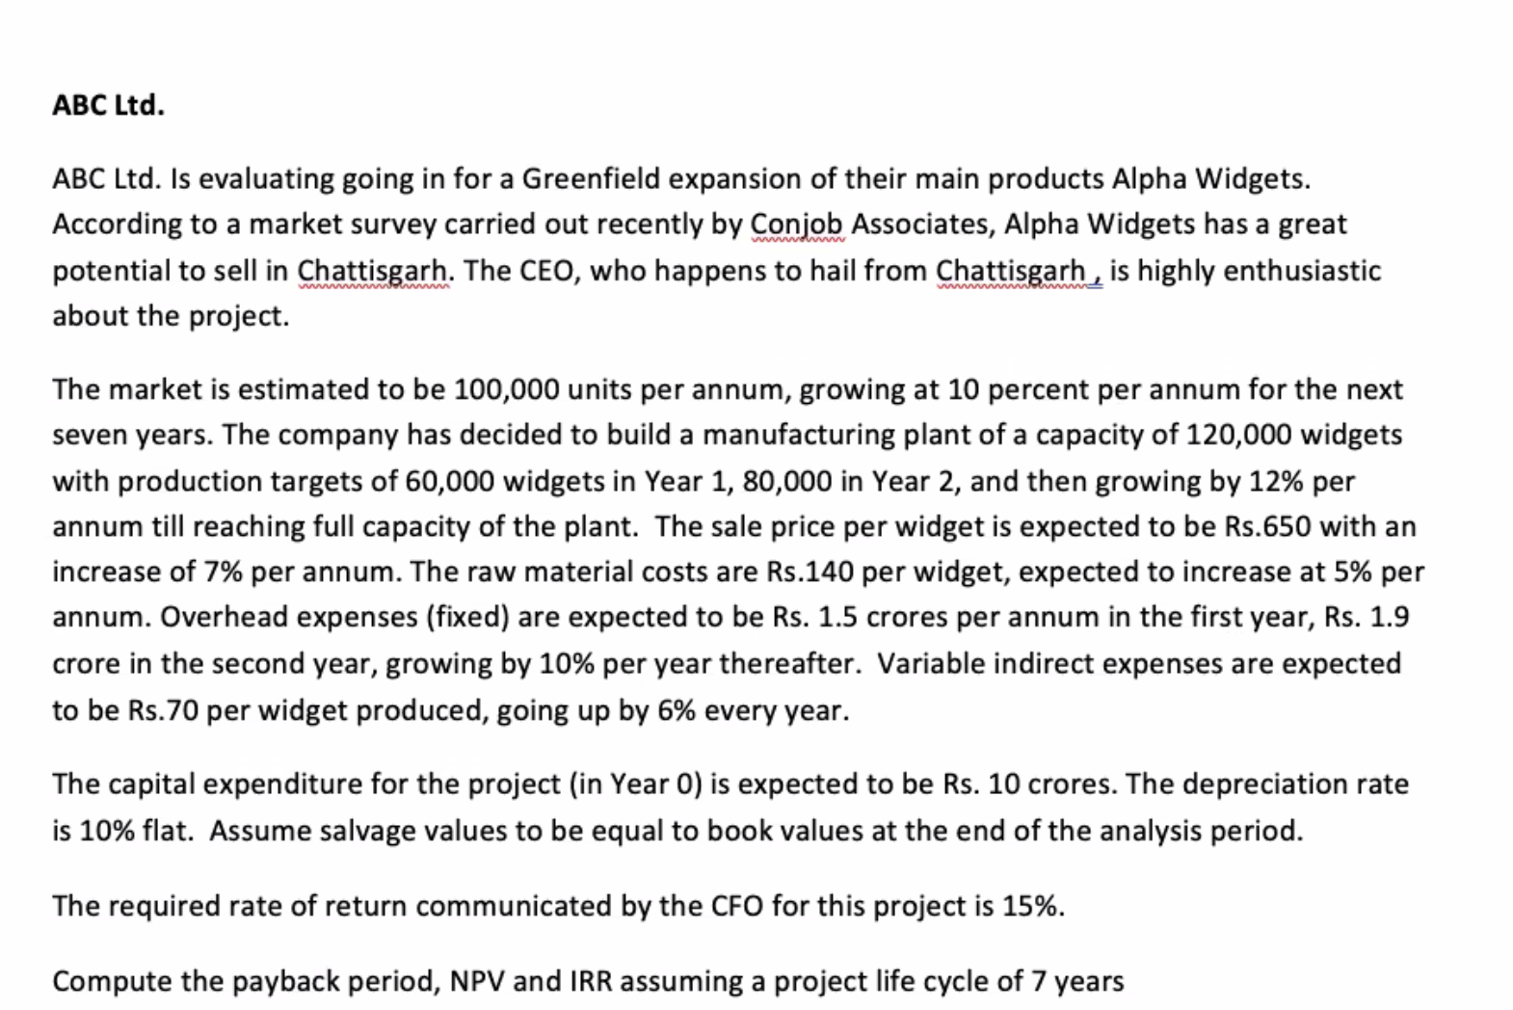
 |  |  |  |  |  |  |  |  |  | Plant Capacity | 120,000

 |  |  |  |  |  |  |  |  |  | Year1 | 60,000
 |  |  |  |  |  |  |  |  |  | Year2 | 80,000 | inc 12% per eyar

 |  |  |  |  |  |  |  |  |  | S.P. | 650 | inc 7% per eyar

 |  |  |  |  |  |  |  |  |  | C.P. | -140 | inc 5% per year
 |  |  |  |  |  |  |  |  |  | var CP | -70 | inc 6% per year
 |  |  |  |  |  |  |  |  |  | Exp. Y1 | -15000000
 |  |  |  |  |  |  |  |  |  | Exp Y2 | -19000000 | inc 10% per year

 |  |  |  |  |  |  |  |  |  | Cap Y1 | 10000000
 |  |  |  |  |  |  |  |  |  | Dep Rate | 10%

 |  |  |  |  |  |  |  |  |  | Req.IRR | 15%

 |  |  |  |  |  |  |  |  |  | Payback Period
 |  |  |  |  |  |  |  |  |  | NPV
 |  |  |  |  |  |  |  |  |  | IRR
 |  |  |  |  |  |  |  |  |  | Time
 |  |  |  |  |  |  |  |  |  |  | 7 years

 |  | Year0 | Year1 | year2 | Year3 | Year4 | Year5 | Year6 | Year7
 | Production |  | 60,000 | 80,000 | 89600 | 100352 | 112394.24 | 120000 | 120000
 | SP per year |  | 650 | 696 | 744 | 796 | 852 | 912 | 975
 | Rev |  | 39,000,000 | 55640000 | 66678976 | 79908084.838 | 95761848.87 | 109399034.99 | 117056967.44

 | CP Raw mat |  | -140 | -147 | -154.35 | -162.0675 | -170.170875 | -178.67941875 | -187.61338969
 | Var Cost |  | -70 | -74.2 | -78.652 | -83.37112 | -88.3733872 | -93.675790432 | -99.296337858
 | COGS |  | (12,600,000) | (17,696,000) | (20,876,979) | (24,630,256) | (29,058,886) | (32,682,625) | (34,429,167)
 | Overhead Exp |  | (15,000,000) | -19000000 | -20900000 | -22990000 | -25289000 | -27817900 | -30599690
 | Capex | -100000000 |  |  |  |  |  |  | 30000000
 |  |  | 1 | 2 | 3 | 4 | 5 | 6 | 7
 | CF | -100000000 | 11,400,000 | 18,944,000 | 24,901,997 | 32,287,828 | 41,413,963 | 48,898,510 | 82,028,110
 | Present Value CF | -100000000 | ₹9,913,043.48 | ₹14,324,385.63 | ₹16,373,467.12 | ₹18,460,670.71 | ₹20,590,058.93 | ₹21,140,175.23 | ₹30,837,404.92

 | NPV: | ₹31,639,206.00
 | IRR: | 22.25%
 | PaybackPeriod | 5-6 years

